Introduction
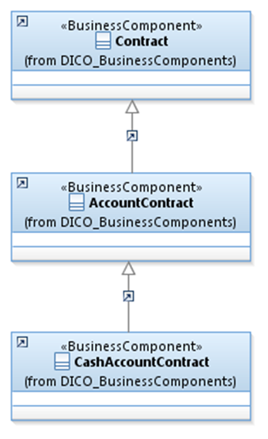
 | Introduction

This document describes the Business Model Components and Elements used by the Party Reference Data message definitions (T2S).

In the “Business Model” tab, the cells with text in green indicate the business concepts used by the Party Reference Data message definitions (T2S).

The “Traces” tab shows to which business concepts the Party Reference Data (T2S) message components and message elements trace.

